Tabelle1
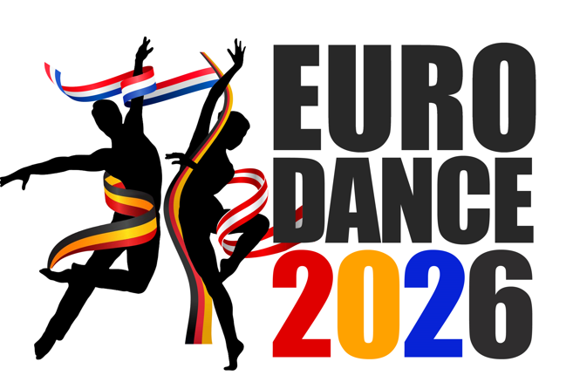
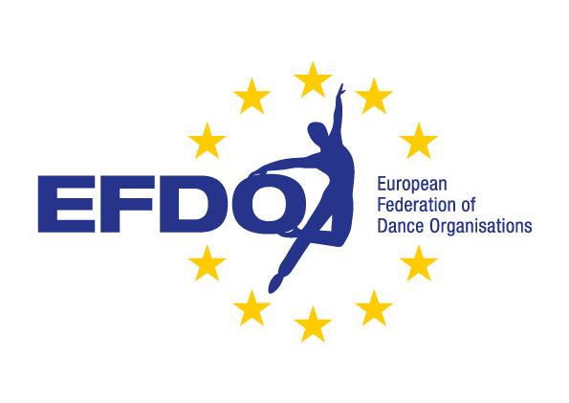
 |  |  |  |  |  |  |  | List of participants Eurodance 2026

 |  |  |  |  |  |  |  | Club:

 |  | Put a cross in the column where the dancer starts, all the dancers from your club must be on this file |  |  |  |  |  |  |  |  |  |  |  |  |  |  |  |  |  |  |  |  |  |  |  |  |  | >16 dancers 1 Reserve Dancer/day
 |  | Put a R in the column if you have a reserve dancer |  |  |  |  |  |  |  |  |  |  |  |  |  |  |  |  |  |  |  |  |  |  |  |  |  | 16-24 dancers 2 Reserve Dancers/day
 |  | If you have 2 groups in the same category put "1" in the column for the first group and "2" for the second group |  |  |  |  |  |  |  |  |  |  |  |  |  |  |  |  |  |  |  |  |  |  |  |  |  | 26-41 dancers 3 Reserve Dancers/day
 |  | After giving the date of birth you will automatically become the color Master (M), Youth (Y), Junior (J) or Mini (MJ) |  |  |  |  |  |  |  |  |  |  |  |  |  |  |  |  |  |  |  |  |  |  |  |  |  | >41 dancers 4 Reserve Dancers/day

No | Familiy Name (alphabetical order) | First Name | Date of Birth | MJ/J/Y/M |  | Solo Polka |  |  |  | Pairs Polka |  |  | Group March |  |  | Small Group March |  |  | Group Polka |  |  | Small Group Polka |  |  | Group Polka lift |  |  | Show Solo |  |  |  | Show Duo |  |  | Show Charakter |  |  | Small Group Show Charakter |  |  | Show Freestyle |  |  | Small Group Show Freesyle |  |  | Show Modern |  |  | Small Group Show Modern |  |  | Show with lifts
 |  |  |  |  |  | MJ | J | Y | M | J | Y | M | J | Y | M | J | Y | M | J | Y | M | J | Y | M |  | Y | M | MJ | J | Y | M | J | Y | M | J | Y | M | J | Y | M | J | Y | M | J | Y | M | J | Y | M | J | Y | M |  | Y | M
1
2
3
4
5
6
7
8
9
10
11
12
13
14
15
16
17
18
19
20
21
22
23
24
25
26
27
28
29
30

 |  |  |  |  |  |  |  | List of participants Eurodance 2026

 |  |  |  |  |  |  |  | Club:

No | Familiy Name (alphabetical order) | First Name | Date of Birth | MJ/J/Y/M |  | Solo Polka |  |  |  | Pairs Polka |  |  | Group March |  |  | Small Group March |  |  | Group Polka |  |  | Small Group Polka |  |  | Group Polka lift |  |  | Show Solo |  |  |  | Show Duo |  |  | Show Charakter |  |  | Small Group Show Charakter |  |  | Show Freestyle |  |  | Small Group Show Freesyle |  |  | Show Modern |  |  | Small Group Show Modern |  |  | Show with lifts
 |  |  |  |  |  | MJ | J | Y | M | J | Y | M | J | Y | M | J | Y | M | J | Y | M | J | Y | M |  | Y | M | MJ | J | Y | M | J | Y | M | J | Y | M | J | Y | M | J | Y | M | J | Y | M | J | Y | M | J | Y | M |  | Y | M
31
32
33
34
35
36
37
38
39
40
41
42
43
44
45
46
47
48
49
50
51
52
53
54
55
56
57
58
59
60

 |  |  |  |  |  |  |  | List of participants Eurodance 2026

 |  |  |  |  |  |  |  | Club:

No | Familiy Name (alphabetical order) | First Name | Date of Birth | MJ/J/Y/M |  | Solo Polka |  |  |  | Pairs Polka |  |  | Group March |  |  | Small Group March |  |  | Group Polka |  |  | Small Group Polka |  |  | Group Polka lift |  |  | Show Solo |  |  |  | Show Duo |  |  | Show Charakter |  |  | Small Group Show Charakter |  |  | Show Freestyle |  |  | Small Group Show Freesyle |  |  | Show Modern |  |  | Small Group Show Modern |  |  | Show with lifts
 |  |  |  |  |  | MJ | J | Y | M | J | Y | M | J | Y | M | J | Y | M | J | Y | M | J | Y | M |  | Y | M | MJ | J | Y | M | J | Y | M | J | Y | M | J | Y | M | J | Y | M | J | Y | M | J | Y | M | J | Y | M |  | Y | M
61
62
63
64
65
66
67
68
69
70
71
72
73
74
75
76
77
78
79
80

 | Total amount
 |  |  |  |  | Participants |  |  |  |  | Supervisor
 | Mini & Juniors May 1th

 | Youth May 2th
 |  |  |  |  |  |  |  |  |  |  |  |  |  |  |  |  |  |  |  | Date |  |  |  |  |  |  |  |  | Signature
 | Master May 3th

 | 1 or 2 dancers 1 supervisor/day |  |  |  |  |  |  |  |  |  |  |  |  |  |  |  |  |  | >16 dancers 1 Reserve Dancer/day
 | 3 till 16 dancers 2 supervisors/day |  |  |  |  |  |  |  |  |  |  |  |  |  |  |  |  |  | 16-24 dancers 2 Reserve Dancers/day |  |  |  |  |  |  |  |  |  |  |  |  |  | Sent it to info@efdo.dance and registration-eurodance2026@tscdancefeet.com
 | 16 till 26 dancers 3 supervisors/day |  |  |  |  |  |  |  |  |  |  |  |  |  |  |  |  |  | 26-41 dancers 3 Reserve Dancers/day
 | 26 till 41 dancers 4 supervisors/day |  |  |  |  |  |  |  |  |  |  |  |  |  |  |  |  |  | >41 dancers 4 Reserve Dancers/day

