Registration Masters
Registration EC Tournaments 2023-2024 |  |  |  |  | Masters
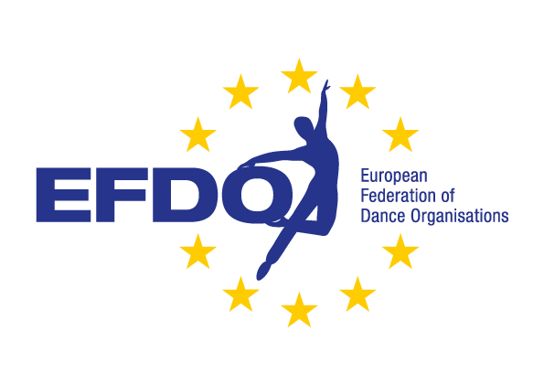
Name club: |  |  |  |  |  |  |  | A = Group March
Address: |  |  |  |  |  |  |  | B = Solo Polka
Postal code: |  |  |  |  |  |  |  | C = Pairs Polka
City: |  |  |  |  |  |  |  | D = Group Polka
Country: |  |  |  |  |  |  |  | E = Small Group Polka
Contact person: |  |  |  |  |  |  |  | F = Group Polka with lift
Telephone number: |  |  |  |  |  |  |  | G = Show Solo
E-mail address: |  |  |  |  |  |  |  | H = Show Duo
 |  |  |  |  |  |  |  | I = Show Charactor
Category | Discipline | Total competitors | Name / Theme music |  |  | Starting money |  | J = Show Freestyle
Masters |  |  |  |  |  |  |  | K = Show Modern
Masters |  |  |  |  |  |  |  | L = Small Show Modern
Masters |  |  |  |  |  |  |  | M = Show with lift
Masters
Masters
Masters
Masters
Masters
Masters
Masters
Masters
Masters
Masters
Masters
Total number dances: |  | Total Competitors: |  | Supervisors: |  | € -
Disciplines:
A = Group March |  | B = Solo Polka |  | C = Pairs Polka | D = Group Polka |  | € 30,- / dance
E = Small Group Polka |  | F = Group Polka with lift |  | G = Show Solo | H = Show Duo
I = Show Charactor |  | J = Show Freestyle |  | K = Show Modern | Date:
M = Small Show Modern |  | N = Show with lift |  |  | Name:

